Table 19
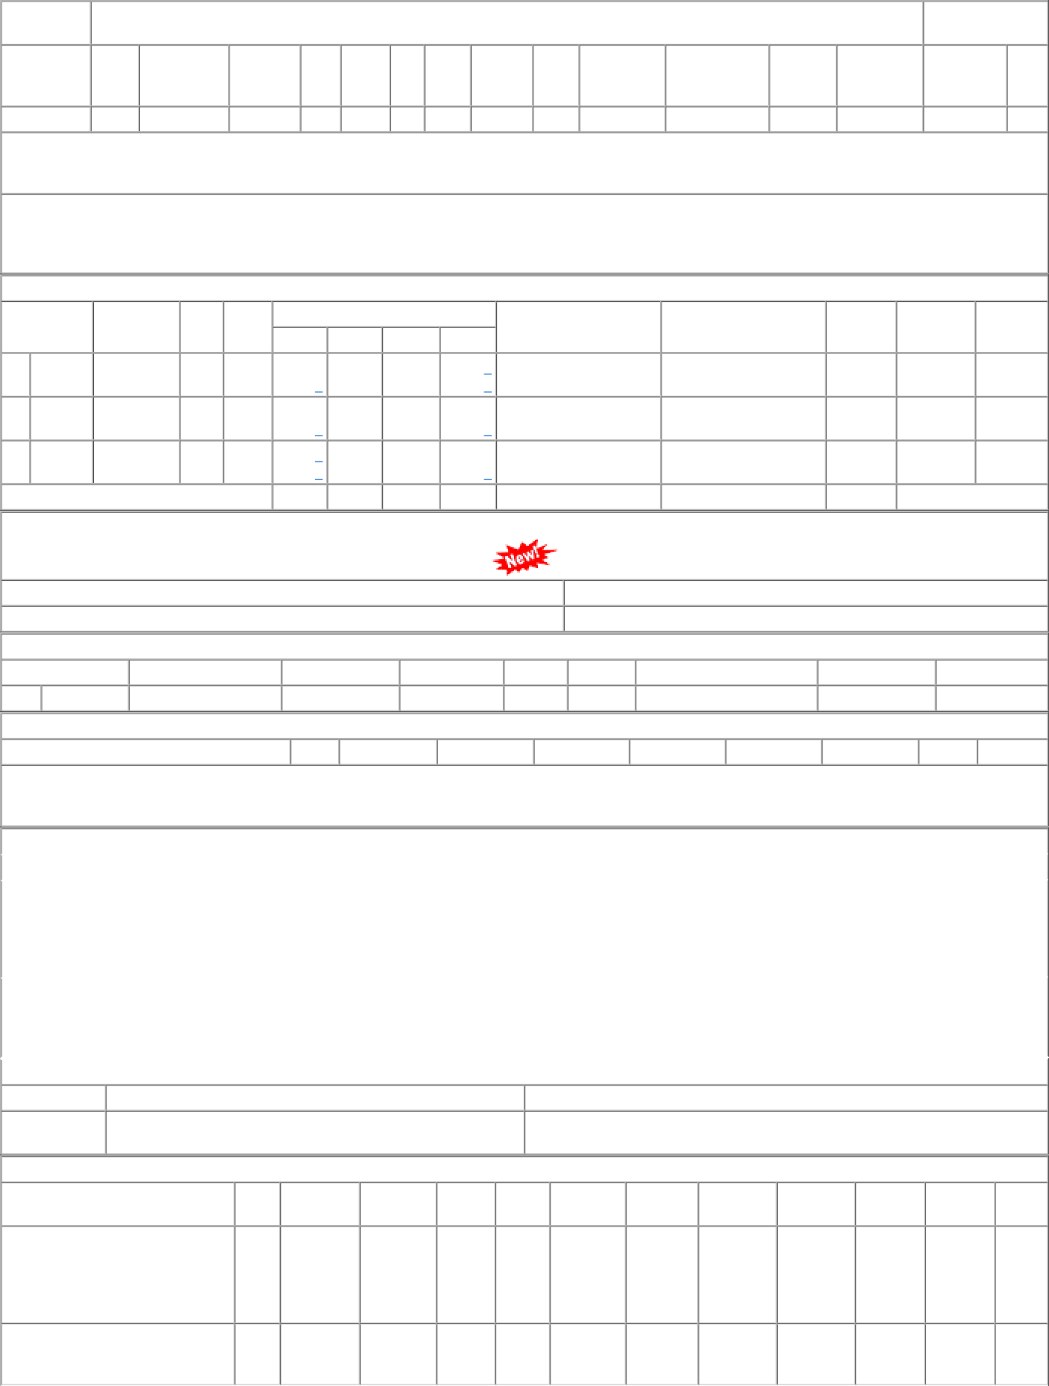
P.O.No.78221234100442 dt.21/09/22 on M/s.SHERAWALI ENTERPRISES- ULHASNAGAR PO-CAT:[ Reg ] P.O.No.78221220800402 dt.27/08/22 on M/s.Controller of Stores, JAIPUR PO-CAT:[ Reg ] | 001 006 | BVPW BVPW | 29.50 25.40 | 1500 500 | Nos. 0 Nos. 0 | 0 0 0 500 | 20/11/22 26/10/22 | 20/11/22 OP 26/10/22 OP

